MCU屏接口
8080-I 8bit接口 |  | RGB565 |  |  |  |  |  | RGB666
 | o_vout_mcu_dout[7] | 0 | R0[4] | G0[2] | R1[4] | G1[2] | o_vout_mcu_dout[7] | 0 | R0[5] | G0[5] | B0[5]
 | o_vout_mcu_dout[6] | 0 | R0[3] | G0[1] | R1[3] | G1[1] | o_vout_mcu_dout[6] | 0 | R0[4] | G0[4] | B0[4]
 | o_vout_mcu_dout[5] | 1 | R0[2] | G0[0] | R1[2] | G1[0] | o_vout_mcu_dout[5] | 1 | R0[3] | G0[3] | B0[3]
 | o_vout_mcu_dout[4] | 0 | R0[1] | B0[4] | R1[1] | B1[4] | o_vout_mcu_dout[4] | 0 | R0[2] | G0[2] | B0[2]
 | o_vout_mcu_dout[3] | 1 | R0[0] | B0[3] | R1[0] | B1[3] | o_vout_mcu_dout[3] | 1 | R0[1] | G0[1] | B0[1]
 | o_vout_mcu_dout[2] | 1 | G0[5] | B0[2] | G1[5] | B1[2] | o_vout_mcu_dout[2] | 1 | R0[0] | G0[0] | B0[0]
 | o_vout_mcu_dout[1] | 0 | G0[4] | B0[1] | G1[4] | B1[1] | o_vout_mcu_dout[1] | 0 | / | / | /
 | o_vout_mcu_dout[0] | 0 | G0[3] | B0[0] | G1[3] | B1[0] | o_vout_mcu_dout[0] | 0 | / | / | /
 | o_vout_mcu_csx | 0 |  |  |  |  | o_vout_mcu_csx | 0
 | o_vout_mcu_dcx | 0 | 1 |  |  |  | o_vout_mcu_dcx | 0 | 1
 | o_vout_mcu_wrx | ⬆ | ⬆ | ⬆ | ⬆ | ⬆ | o_vout_mcu_wrx | ⬆ | ⬆ | ⬆ | ⬆

8080-I 9bit接口 |  | RGB565 |  |  |  |  |  | RGB666 option1 |  |  |  |  |  | RGB666 option2
 | o_vout_mcu_dout[8] | / | / | / | / | / | o_vout_mcu_dout[8] | / | R0[5] | G0[2] | R1[5] | G1[2] | o_vout_mcu_dout[8] | / | / | / | / | /
 | o_vout_mcu_dout[7] | 0 | R0[4] | G0[2] | R1[4] | G1[2] | o_vout_mcu_dout[7] | 0 | R0[4] | G0[1] | R1[4] | G1[1] | o_vout_mcu_dout[7] | 0 | R0[5] | B0[5] | G0[5] | R1[5]
 | o_vout_mcu_dout[6] | 0 | R0[3] | G0[1] | R1[3] | G1[1] | o_vout_mcu_dout[6] | 0 | R0[3] | G0[0] | R1[3] | G1[0] | o_vout_mcu_dout[6] | 0 | R0[4] | B0[4] | G0[4] | R1[4]
 | o_vout_mcu_dout[5] | 1 | R0[2] | G0[0] | R1[2] | G1[0] | o_vout_mcu_dout[5] | 1 | R0[2] | B0[5] | R1[2] | B1[5] | o_vout_mcu_dout[5] | 1 | R0[3] | B0[3] | G0[3] | R1[3]
 | o_vout_mcu_dout[4] | 0 | R0[1] | B0[4] | R1[1] | B1[4] | o_vout_mcu_dout[4] | 0 | R0[1] | B0[4] | R1[1] | B1[4] | o_vout_mcu_dout[4] | 0 | R0[2] | B0[2] | G0[2] | R1[2]
 | o_vout_mcu_dout[3] | 1 | R0[0] | B0[3] | R1[0] | B1[3] | o_vout_mcu_dout[3] | 1 | R0[0] | B0[3] | R1[0] | B1[3] | o_vout_mcu_dout[3] | 1 | R0[1] | B0[1] | G0[1] | R1[1]
 | o_vout_mcu_dout[2] | 1 | G0[5] | B0[2] | G1[5] | B1[2] | o_vout_mcu_dout[2] | 1 | G0[5] | B0[2] | G1[5] | B1[2] | o_vout_mcu_dout[2] | 1 | R0[0] | B0[0] | G0[0] | R1[0]
 | o_vout_mcu_dout[1] | 0 | G0[4] | B0[1] | G1[4] | B1[1] | o_vout_mcu_dout[1] | 0 | G0[4] | B0[1] | G1[4] | B1[1] | o_vout_mcu_dout[1] | 0 | / | / | / | /
 | o_vout_mcu_dout[0] | 0 | G0[3] | B0[0] | G1[3] | B1[0] | o_vout_mcu_dout[0] | 0 | G0[3] | B0[0] | G1[3] | B1[0] | o_vout_mcu_dout[0] | 0 | / | / | / | /
 | o_vout_mcu_csx | 0 |  |  |  |  | o_vout_mcu_csx | 0 |  |  |  |  | o_vout_mcu_csx | 0
 | o_vout_mcu_dcx | 0 | 1 |  |  |  | o_vout_mcu_dcx | 0 | 1 |  |  |  | o_vout_mcu_dcx | 0 | 1
 | o_vout_mcu_wrx | ⬆ | ⬆ | ⬆ | ⬆ | ⬆ | o_vout_mcu_wrx | ⬆ | ⬆ | ⬆ | ⬆ | ⬆ | o_vout_mcu_wrx | ⬆ | ⬆ | ⬆ | ⬆ | ⬆

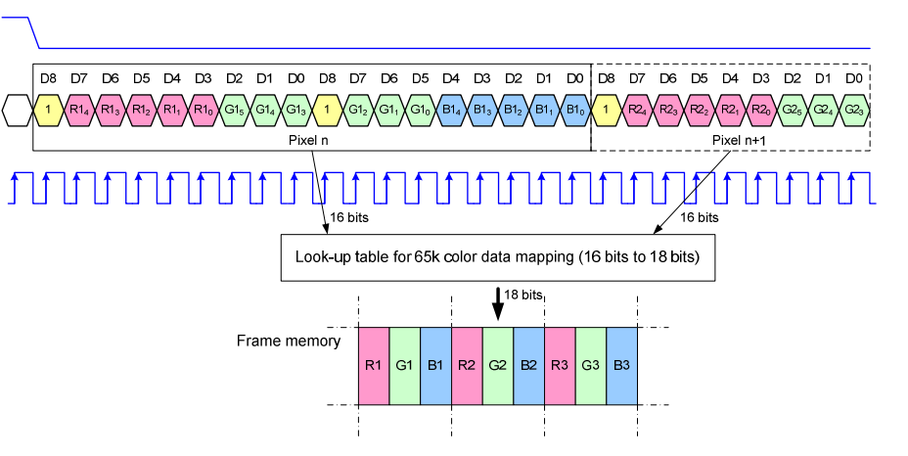
3线-RGB565 option1 | o_vout_mcu_csx
 | o_vout_mcu_sda_dout
 | o_vout_mcu_scl

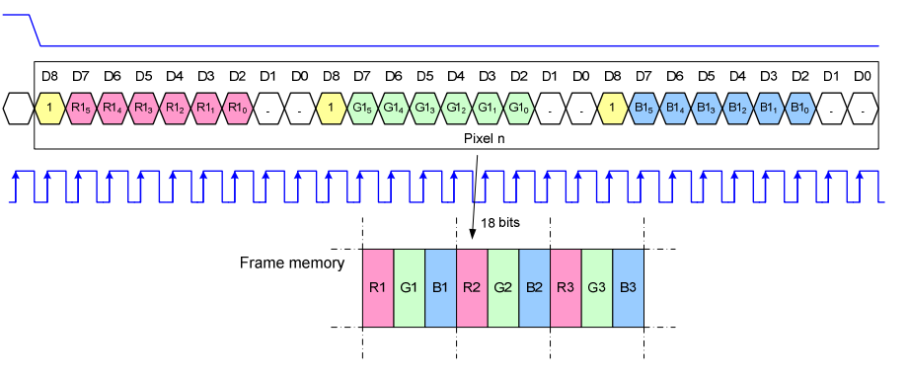
3线-RGB666 option2 | o_vout_mcu_csx
 | o_vout_mcu_sda_dout
 | o_vout_mcu_scl

3线-RGB565 option2 | o_vout_mcu_csx |  | 0
 | o_vout_mcu_sda_dout |  | {7’bx,1,R4~R0,G5~G3,7’bx,DCX,G2~G0,B4~B0}
 | o_vout_mcu_scl |  | ⬆

3线-RGB666 option2 | o_vout_mcu_csx |  | 0
 | o_vout_mcu_sda_dout |  | {7’bx,1,R5~R0,2’bx,7’bx,1,G5~G0,2’bx,7’bx,1,B5~B0,2’bx}
 | o_vout_mcu_scl |  | ⬆
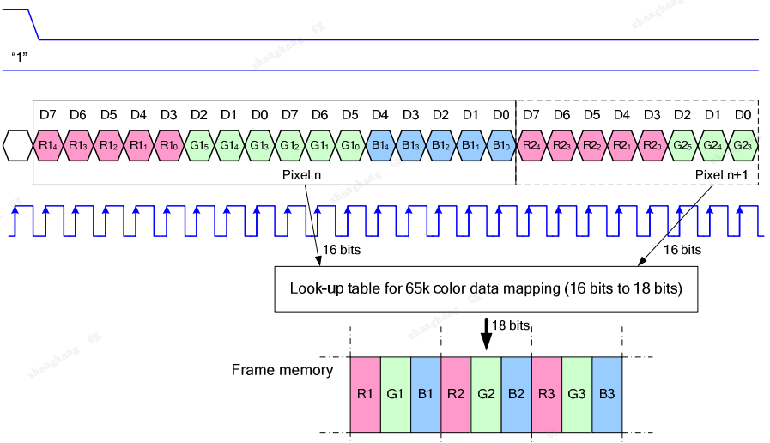
4线-RGB565 | o_vout_mcu_csx
 | o_vout_mcu_dcx
 | o_vout_mcu_sda_dout
 | o_vout_mcu_scl

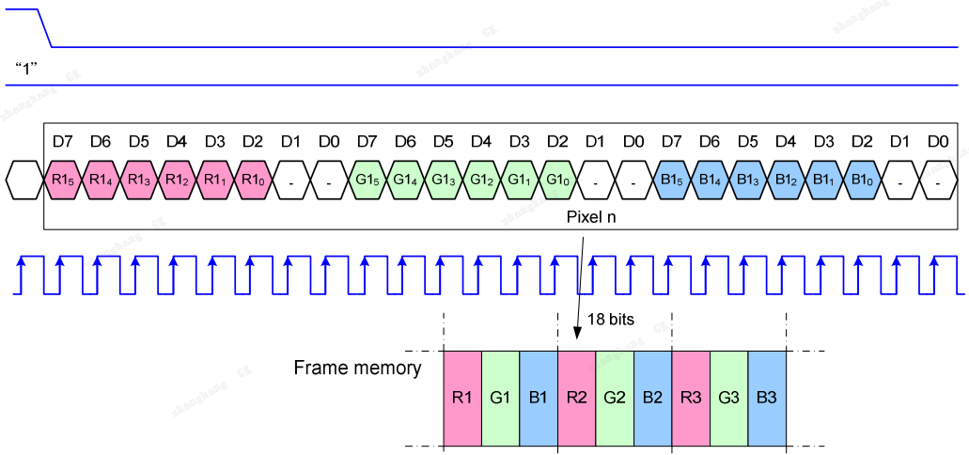
4线-RGB666 | o_vout_mcu_csx
 | o_vout_mcu_dcx
 | o_vout_mcu_sda_dout
 | o_vout_mcu_scl

