MCU屏接口
8080-I 8bit接口 |  | RGB565 |  |  |  |  |  | RGB666
 | o_vout_mcu_dout[7] | 0 | R0[4] | G0[2] | R1[4] | G1[2] | o_vout_mcu_dout[7] | 0 | R0[5] | G0[5] | B0[5]
 | o_vout_mcu_dout[6] | 0 | R0[3] | G0[1] | R1[3] | G1[1] | o_vout_mcu_dout[6] | 0 | R0[4] | G0[4] | B0[4]
 | o_vout_mcu_dout[5] | 1 | R0[2] | G0[0] | R1[2] | G1[0] | o_vout_mcu_dout[5] | 1 | R0[3] | G0[3] | B0[3]
 | o_vout_mcu_dout[4] | 0 | R0[1] | B0[4] | R1[1] | B1[4] | o_vout_mcu_dout[4] | 0 | R0[2] | G0[2] | B0[2]
 | o_vout_mcu_dout[3] | 1 | R0[0] | B0[3] | R1[0] | B1[3] | o_vout_mcu_dout[3] | 1 | R0[1] | G0[1] | B0[1]
 | o_vout_mcu_dout[2] | 1 | G0[5] | B0[2] | G1[5] | B1[2] | o_vout_mcu_dout[2] | 1 | R0[0] | G0[0] | B0[0]
 | o_vout_mcu_dout[1] | 0 | G0[4] | B0[1] | G1[4] | B1[1] | o_vout_mcu_dout[1] | 0 | / | / | /
 | o_vout_mcu_dout[0] | 0 | G0[3] | B0[0] | G1[3] | B1[0] | o_vout_mcu_dout[0] | 0 | / | / | /
 | o_vout_mcu_csx | 0 |  |  |  |  | o_vout_mcu_csx | 0
 | o_vout_mcu_dcx | 0 | 1 |  |  |  | o_vout_mcu_dcx | 0 | 1
 | o_vout_mcu_wrx | ⬆ | ⬆ | ⬆ | ⬆ | ⬆ | o_vout_mcu_wrx | ⬆ | ⬆ | ⬆ | ⬆

8080-Ⅱ 8bit接口 |  | RGB565 |  |  |  |  |  | RGB666
 | o_vout_mcu_dout[17] | 0 | R0[4] | G0[2] | R1[4] | G1[2] | o_vout_mcu_dout[17] | 0 | R0[5] | G0[5] | B0[5]
 | o_vout_mcu_dout[16] | 0 | R0[3] | G0[1] | R1[3] | G1[1] | o_vout_mcu_dout[16] | 0 | R0[4] | G0[4] | B0[4]
 | o_vout_mcu_dout[15] | 1 | R0[2] | G0[0] | R1[2] | G1[0] | o_vout_mcu_dout[15] | 1 | R0[3] | G0[3] | B0[3]
 | o_vout_mcu_dout[14] | 0 | R0[1] | B0[4] | R1[1] | B1[4] | o_vout_mcu_dout[14] | 0 | R0[2] | G0[2] | B0[2]
 | o_vout_mcu_dout[13] | 1 | R0[0] | B0[3] | R1[0] | B1[3] | o_vout_mcu_dout[13] | 1 | R0[1] | G0[1] | B0[1]
 | o_vout_mcu_dout[12] | 1 | G0[5] | B0[2] | G1[5] | B1[2] | o_vout_mcu_dout[12] | 1 | R0[0] | G0[0] | B0[0]
 | o_vout_mcu_dout[11] | 0 | G0[4] | B0[1] | G1[4] | B1[1] | o_vout_mcu_dout[11] | 0 | / | / | /
 | o_vout_mcu_dout[10] | 0 | G0[3] | B0[0] | G1[3] | B1[0] | o_vout_mcu_dout[10] | 0 | / | / | /
 | o_vout_mcu_csx | 0 |  |  |  |  | o_vout_mcu_csx | 0
 | o_vout_mcu_dcx | 0 | 1 |  |  |  | o_vout_mcu_dcx | 0 | 1
 | o_vout_mcu_wrx | ⬆ | ⬆ | ⬆ | ⬆ | ⬆ | o_vout_mcu_wrx | ⬆ | ⬆ | ⬆ | ⬆

8080-I 16bit接口 |  | RGB565 |  |  |  |  |  | RGB666 option 1 |  |  |  |  |  | RGB666 option2 |  |  |  |  |  | RGB666 option3 |  |  |  |  |  | RGB666 option4 |  |  |  |  |  | RGB666 option5
 | o_vout_mcu_dout[15] | / | R0[4] | R1[4] | R2[4] |  | o_vout_mcu_dout[15] | / | R0[5] | B0[5] | G1[5] |  | o_vout_mcu_dout[15] | / | R0[5] | B0[5] | R1[5] | B1[5] | o_vout_mcu_dout[15] | / | R0[5] | B0[1] | R1[5] | B1[1] | o_vout_mcu_dout[15] | / | / | R0[3] | / | R1[3] | o_vout_mcu_dout[15] | / | / | G0[5] | / | G1[5]
 | o_vout_mcu_dout[14] | / | R0[3] | R1[3] | R2[3] |  | o_vout_mcu_dout[14] | / | R0[4] | B0[4] | G1[4] |  | o_vout_mcu_dout[14] | / | R0[4] | B0[4] | R1[4] | B1[4] | o_vout_mcu_dout[14] | / | R0[4] | B0[0] | R1[4] | B1[0] | o_vout_mcu_dout[14] | / | / | R0[2] | / | R1[2] | o_vout_mcu_dout[14] | / | / | G0[4] | / | G1[4]
 | o_vout_mcu_dout[13] | / | R0[2] | R1[2] | R2[2] |  | o_vout_mcu_dout[13] | / | R0[3] | B0[3] | G1[3] |  | o_vout_mcu_dout[13] | / | R0[3] | B0[3] | R1[3] | B1[3] | o_vout_mcu_dout[13] | / | R0[3] | / | R1[3] | / | o_vout_mcu_dout[13] | / | / | R0[1] | / | R1[1] | o_vout_mcu_dout[13] | / | / | G0[3] | / | G1[3]
 | o_vout_mcu_dout[12] | / | R0[1] | R1[1] | R2[1] |  | o_vout_mcu_dout[12] | / | R0[2] | B0[2] | G1[2] |  | o_vout_mcu_dout[12] | / | R0[2] | B0[2] | R1[2] | B1[2] | o_vout_mcu_dout[12] | / | R0[2] | / | R1[2] | / | o_vout_mcu_dout[12] | / | / | R0[0] | / | R1[0] | o_vout_mcu_dout[12] | / | / | G0[2] | / | G1[2]
 | o_vout_mcu_dout[11] | / | R0[0] | R1[0] | R2[0] |  | o_vout_mcu_dout[11] | / | R0[1] | B0[1] | G1[1] |  | o_vout_mcu_dout[11] | / | R0[1] | B0[1] | R1[1] | B1[1] | o_vout_mcu_dout[11] | / | R0[1] | / | R1[1] | / | o_vout_mcu_dout[11] | / | / | G0[5] | / | G1[5] | o_vout_mcu_dout[11] | / | / | G0[1] | / | G1[1]
 | o_vout_mcu_dout[10] | / | G0[5] | G1[5] | G2[5] |  | o_vout_mcu_dout[10] | / | R0[0] | B0[0] | G1[0] |  | o_vout_mcu_dout[10] | / | R0[0] | B0[0] | R1[0] | B1[0] | o_vout_mcu_dout[10] | / | R0[0] | / | R1[0] | / | o_vout_mcu_dout[10] | / | / | G0[4] | / | G1[4] | o_vout_mcu_dout[10] | / | / | G0[0] | / | G1[0]
 | o_vout_mcu_dout[9] | / | G0[4] | G1[4] | G2[4] |  | o_vout_mcu_dout[9] | / | / | / | / |  | o_vout_mcu_dout[9] | / | / | / | / | / | o_vout_mcu_dout[9] | / | G0[5] | / | G1[5] | / | o_vout_mcu_dout[9] | / | / | G0[3] | / | G1[3] | o_vout_mcu_dout[9] | / | / | / | / | /
 | o_vout_mcu_dout[8] | / | G0[3] | G1[3] | G2[3] |  | o_vout_mcu_dout[8] | / | / | / | / |  | o_vout_mcu_dout[8] | / | / | / | / | / | o_vout_mcu_dout[8] | / | G0[4] | / | G1[4] | / | o_vout_mcu_dout[8] | / | / | G0[2] | / | G1[2] | o_vout_mcu_dout[8] | / | / | / | / | /
 | o_vout_mcu_dout[7] | 0 | G0[2] | G1[2] | G2[2] |  | o_vout_mcu_dout[7] | 0 | G0[5] | R1[5] | B1[5] |  | o_vout_mcu_dout[7] | 0 | G0[5] | / | G1[5] | / | o_vout_mcu_dout[7] | 0 | G0[3] | / | G1[3] | / | o_vout_mcu_dout[7] | 0 | / | G0[1] | / | G1[1] | o_vout_mcu_dout[7] | 0 | R0[5] | B0[5] | R1[5] | B1[5]
 | o_vout_mcu_dout[6] | 0 | G0[1] | G1[1] | G2[1] |  | o_vout_mcu_dout[6] | 0 | G0[4] | R1[4] | B1[4] |  | o_vout_mcu_dout[6] | 0 | G0[4] | / | G1[4] | / | o_vout_mcu_dout[6] | 0 | G0[2] | / | G1[2] | / | o_vout_mcu_dout[6] | 0 | / | G0[0] | / | G1[0] | o_vout_mcu_dout[6] | 0 | R0[4] | B0[4] | R1[4] | B1[4]
 | o_vout_mcu_dout[5] | 1 | G0[0] | G1[0] | G2[0] |  | o_vout_mcu_dout[5] | 1 | G0[3] | R1[3] | B1[3] |  | o_vout_mcu_dout[5] | 1 | G0[3] | / | G1[3] | / | o_vout_mcu_dout[5] | 1 | G0[1] | / | G1[1] | / | o_vout_mcu_dout[5] | 1 | / | B0[5] | / | B1[5] | o_vout_mcu_dout[5] | 1 | R0[3] | B0[3] | R1[3] | B1[3]
 | o_vout_mcu_dout[4] | 0 | B0[4] | B1[4] | B2[4] |  | o_vout_mcu_dout[4] | 0 | G0[2] | R1[2] | B1[2] |  | o_vout_mcu_dout[4] | 0 | G0[2] | / | G1[2] | / | o_vout_mcu_dout[4] | 0 | G0[0] | / | G1[0] | / | o_vout_mcu_dout[4] | 0 | / | B0[4] | / | B1[4] | o_vout_mcu_dout[4] | 0 | R0[2] | B0[2] | R1[2] | B1[2]
 | o_vout_mcu_dout[3] | 1 | B0[3] | B1[3] | B2[3] |  | o_vout_mcu_dout[3] | 1 | G0[1] | R1[1] | B1[1] |  | o_vout_mcu_dout[3] | 1 | G0[1] | / | G1[1] | / | o_vout_mcu_dout[3] | 1 | B0[5] | / | B1[5] | / | o_vout_mcu_dout[3] | 1 | / | B0[3] | / | B1[3] | o_vout_mcu_dout[3] | 1 | R0[1] | B0[1] | R1[1] | B1[1]
 | o_vout_mcu_dout[2] | 1 | B0[2] | B1[2] | B2[2] |  | o_vout_mcu_dout[2] | 1 | G0[0] | R1[0] | B1[0] |  | o_vout_mcu_dout[2] | 1 | G0[0] | / | G1[0] | / | o_vout_mcu_dout[2] | 1 | B0[4] | / | B1[4] | / | o_vout_mcu_dout[2] | 1 | / | B0[2] | / | B1[2] | o_vout_mcu_dout[2] | 1 | R0[0] | B1[0] | R1[0] | B1[0]
 | o_vout_mcu_dout[1] | 0 | B0[1] | B1[1] | B2[1] |  | o_vout_mcu_dout[1] | 0 | / | / | / |  | o_vout_mcu_dout[1] | 0 | / | / | / | / | o_vout_mcu_dout[1] | 0 | B0[3] | / | B1[3] | / | o_vout_mcu_dout[1] | 0 | R0[5] | B0[1] | R1[5] | B1[1] | o_vout_mcu_dout[1] | 0 | / | / | / | /
 | o_vout_mcu_dout[0] | 0 | B0[0] | B1[0] | B2[0] |  | o_vout_mcu_dout[0] | 0 | / | / | / |  | o_vout_mcu_dout[0] | 0 | / | / | / | / | o_vout_mcu_dout[0] | 0 | B0[2] | / | B1[2] | / | o_vout_mcu_dout[0] | 0 | R0[4] | B1[0] | R1[4] | B1[0] | o_vout_mcu_dout[0] | 0 | / | / | / | /
 | o_vout_mcu_csx | 0 |  |  |  |  | o_vout_mcu_csx | 0 |  |  |  |  | o_vout_mcu_csx | 0 |  |  |  |  | o_vout_mcu_csx | 0 |  |  |  |  | o_vout_mcu_csx | 0 |  |  |  |  | o_vout_mcu_csx | 0
 | o_vout_mcu_dcx | 0 | 1 |  |  |  | o_vout_mcu_dcx | 0 | 1 |  |  |  | o_vout_mcu_dcx | 0 | 1 |  |  |  | o_vout_mcu_dcx | 0 | 1 |  |  |  | o_vout_mcu_dcx | 0 | 1 |  |  |  | o_vout_mcu_dcx | 0 | 1
 | o_vout_mcu_wrx | ⬆ | ⬆ | ⬆ | ⬆ |  | o_vout_mcu_wrx | ⬆ | ⬆ | ⬆ | ⬆ |  | o_vout_mcu_wrx | ⬆ | ⬆ | ⬆ | ⬆ | ⬆ | o_vout_mcu_wrx | ⬆ | ⬆ | ⬆ | ⬆ | ⬆ | o_vout_mcu_wrx | ⬆ | ⬆ | ⬆ | ⬆ | ⬆ | o_vout_mcu_wrx | ⬆ | ⬆ | ⬆ | ⬆ | ⬆

8080-Ⅱ 16bit接口 |  | RGB565 |  |  |  |  |  | RGB666 option1 |  |  |  |  |  | RGB666 option2 |  |  |  |  |  | RGB666 option3 |  |  |  |  |  | RGB666 option4
 | o_vout_mcu_dout[17] | / | R0[4] | R1[4] | R2[4] |  | o_vout_mcu_dout[17] | / | R0[5] | B0[5] | G1[5] |  | o_vout_mcu_dout[17] | / | R0[5] | B0[5] | R1[5] | B1[5] | o_vout_mcu_dout[17] | / | R0[5] | B0[1] | R1[5] | B1[1] | o_vout_mcu_dout[17] | / | / | R0[3] | / | R1[3]
 | o_vout_mcu_dout[16] | / | R0[3] | R1[3] | R2[3] |  | o_vout_mcu_dout[16] | / | R0[4] | B0[4] | G1[4] |  | o_vout_mcu_dout[16] | / | R0[4] | B0[4] | R1[4] | B1[4] | o_vout_mcu_dout[16] | / | R0[4] | B0[0] | R1[4] | B1[0] | o_vout_mcu_dout[16] | / | / | R0[2] | / | R1[2]
 | o_vout_mcu_dout[15] | / | R0[2] | R1[2] | R2[2] |  | o_vout_mcu_dout[15] | / | R0[3] | B0[3] | G1[3] |  | o_vout_mcu_dout[15] | / | R0[3] | B0[3] | R1[3] | B1[3] | o_vout_mcu_dout[15] | / | R0[3] | / | R1[3] | / | o_vout_mcu_dout[15] | / | / | R0[1] | / | R1[1]
 | o_vout_mcu_dout[14] | / | R0[1] | R1[1] | R2[1] |  | o_vout_mcu_dout[14] | / | R0[2] | B0[2] | G1[2] |  | o_vout_mcu_dout[14] | / | R0[2] | B0[2] | R1[2] | B1[2] | o_vout_mcu_dout[14] | / | R0[2] | / | R1[2] | / | o_vout_mcu_dout[14] | / | / | R0[0] | / | R1[0]
 | o_vout_mcu_dout[13] | / | R0[0] | R1[0] | R2[0] |  | o_vout_mcu_dout[13] | / | R0[1] | B0[1] | G1[1] |  | o_vout_mcu_dout[13] | / | R0[1] | B0[1] | R1[1] | B1[1] | o_vout_mcu_dout[13] | / | R0[1] | / | R1[1] | / | o_vout_mcu_dout[13] | / | / | G0[5] | / | G1[5]
 | o_vout_mcu_dout[12] | / | G0[5] | G1[5] | G2[5] |  | o_vout_mcu_dout[12] | / | R0[0] | B0[0] | G1[0] |  | o_vout_mcu_dout[12] | / | R0[0] | B0[0] | R1[0] | B1[0] | o_vout_mcu_dout[12] | / | R0[0] | / | R1[0] | / | o_vout_mcu_dout[12] | / | / | G0[4] | / | G1[4]
 | o_vout_mcu_dout[11] | / | G0[4] | G1[4] | G2[4] |  | o_vout_mcu_dout[11] | / | / | / | / |  | o_vout_mcu_dout[11] | / | / | / | / | / | o_vout_mcu_dout[11] | / | G0[5] | / | G1[5] | / | o_vout_mcu_dout[11] | / | / | G0[3] | / | G1[3]
 | o_vout_mcu_dout[10] | / | G0[3] | G1[3] | G2[3] |  | o_vout_mcu_dout[10] | / | / | / | / |  | o_vout_mcu_dout[10] | / | / | / | / | / | o_vout_mcu_dout[10] | / | G0[4] | / | G1[4] | / | o_vout_mcu_dout[10] | / | / | G0[2] | / | G1[2]
 | o_vout_mcu_dout[8] | 0 | G0[2] | G1[2] | G2[2] |  | o_vout_mcu_dout[8] | 0 | G0[5] | R1[5] | B1[5] |  | o_vout_mcu_dout[8] | 0 | G0[5] | / | G1[5] | / | o_vout_mcu_dout[8] | 0 | G0[3] | / | G1[3] | / | o_vout_mcu_dout[8] | 0 | / | G0[1] | / | G1[1]
 | o_vout_mcu_dout[7] | 0 | G0[1] | G1[1] | G2[1] |  | o_vout_mcu_dout[7] | 0 | G0[4] | R1[4] | B1[4] |  | o_vout_mcu_dout[7] | 0 | G0[4] | / | G1[4] | / | o_vout_mcu_dout[7] | 0 | G0[2] | / | G1[2] | / | o_vout_mcu_dout[7] | 0 | / | G0[0] | / | G1[0]
 | o_vout_mcu_dout[6] | 1 | G0[0] | G1[0] | G2[0] |  | o_vout_mcu_dout[6] | 1 | G0[3] | R1[3] | B1[3] |  | o_vout_mcu_dout[6] | 1 | G0[3] | / | G1[3] | / | o_vout_mcu_dout[6] | 1 | G0[1] | / | G1[1] | / | o_vout_mcu_dout[6] | 1 | / | B0[5] | / | B1[5]
 | o_vout_mcu_dout[5] | 0 | B0[4] | B1[4] | B2[4] |  | o_vout_mcu_dout[5] | 0 | G0[2] | R1[2] | B1[2] |  | o_vout_mcu_dout[5] | 0 | G0[2] | / | G1[2] | / | o_vout_mcu_dout[5] | 0 | G0[0] | / | G1[0] | / | o_vout_mcu_dout[5] | 0 | / | B0[4] | / | B1[4]
 | o_vout_mcu_dout[4] | 1 | B0[3] | B1[3] | B2[3] |  | o_vout_mcu_dout[4] | 1 | G0[1] | R1[1] | B1[1] |  | o_vout_mcu_dout[4] | 1 | G0[1] | / | G1[1] | / | o_vout_mcu_dout[4] | 1 | B0[5] | / | B1[5] | / | o_vout_mcu_dout[4] | 1 | / | B0[3] | / | B1[3]
 | o_vout_mcu_dout[3] | 1 | B0[2] | B1[2] | B2[2] |  | o_vout_mcu_dout[3] | 1 | G0[0] | R1[0] | B1[0] |  | o_vout_mcu_dout[3] | 1 | G0[0] | / | G1[0] | / | o_vout_mcu_dout[3] | 1 | B0[4] | / | B1[4] | / | o_vout_mcu_dout[3] | 1 | / | B0[2] | / | B1[2]
 | o_vout_mcu_dout[2] | 0 | B0[1] | B1[1] | B2[1] |  | o_vout_mcu_dout[2] | 0 | / | / | / |  | o_vout_mcu_dout[2] | 0 | / | / | / | / | o_vout_mcu_dout[2] | 0 | B0[3] | / | B1[3] | / | o_vout_mcu_dout[2] | 0 | R0[5] | B0[1] | R1[5] | B1[1]
 | o_vout_mcu_dout[1] | 0 | B0[0] | B1[0] | B2[0] |  | o_vout_mcu_dout[1] | 0 | / | / | / |  | o_vout_mcu_dout[1] | 0 | / | / | / | / | o_vout_mcu_dout[1] | 0 | B0[2] | / | B1[2] | / | o_vout_mcu_dout[1] | 0 | R0[4] | B1[0] | R1[4] | B1[0]
 | o_vout_mcu_csx | 0 |  |  |  |  | o_vout_mcu_csx | 0 |  |  |  |  | o_vout_mcu_csx | 0 |  |  |  |  | o_vout_mcu_csx | 0 |  |  |  |  | o_vout_mcu_csx | 0
 | o_vout_mcu_dcx | 0 | 1 |  |  |  | o_vout_mcu_dcx | 0 | 1 |  |  |  | o_vout_mcu_dcx | 0 | 1 |  |  |  | o_vout_mcu_dcx | 0 | 1 |  |  |  | o_vout_mcu_dcx | 0 | 1
 | o_vout_mcu_wrx | ⬆ | ⬆ | ⬆ | ⬆ |  | o_vout_mcu_wrx | ⬆ | ⬆ | ⬆ | ⬆ |  | o_vout_mcu_wrx | ⬆ | ⬆ | ⬆ | ⬆ | ⬆ | o_vout_mcu_wrx | ⬆ | ⬆ | ⬆ | ⬆ | ⬆ | o_vout_mcu_wrx | ⬆ | ⬆ | ⬆ | ⬆ | ⬆

8080-I 9bit接口 |  | RGB565 |  |  |  |  |  | RGB666 option1 |  |  |  |  |  | RGB666 option2
 | o_vout_mcu_dout[8] | / | / | / | / | / | o_vout_mcu_dout[8] | / | R0[5] | G0[2] | R1[5] | G1[2] | o_vout_mcu_dout[8] | / | / | / | / | /
 | o_vout_mcu_dout[7] | 0 | R0[4] | G0[2] | R1[4] | G1[2] | o_vout_mcu_dout[7] | 0 | R0[4] | G0[1] | R1[4] | G1[1] | o_vout_mcu_dout[7] | 0 | R0[5] | B0[5] | G0[5] | R1[5]
 | o_vout_mcu_dout[6] | 0 | R0[3] | G0[1] | R1[3] | G1[1] | o_vout_mcu_dout[6] | 0 | R0[3] | G0[0] | R1[3] | G1[0] | o_vout_mcu_dout[6] | 0 | R0[4] | B0[4] | G0[4] | R1[4]
 | o_vout_mcu_dout[5] | 1 | R0[2] | G0[0] | R1[2] | G1[0] | o_vout_mcu_dout[5] | 1 | R0[2] | B0[5] | R1[2] | B1[5] | o_vout_mcu_dout[5] | 1 | R0[3] | B0[3] | G0[3] | R1[3]
 | o_vout_mcu_dout[4] | 0 | R0[1] | B0[4] | R1[1] | B1[4] | o_vout_mcu_dout[4] | 0 | R0[1] | B0[4] | R1[1] | B1[4] | o_vout_mcu_dout[4] | 0 | R0[2] | B0[2] | G0[2] | R1[2]
 | o_vout_mcu_dout[3] | 1 | R0[0] | B0[3] | R1[0] | B1[3] | o_vout_mcu_dout[3] | 1 | R0[0] | B0[3] | R1[0] | B1[3] | o_vout_mcu_dout[3] | 1 | R0[1] | B0[1] | G0[1] | R1[1]
 | o_vout_mcu_dout[2] | 1 | G0[5] | B0[2] | G1[5] | B1[2] | o_vout_mcu_dout[2] | 1 | G0[5] | B0[2] | G1[5] | B1[2] | o_vout_mcu_dout[2] | 1 | R0[0] | B0[0] | G0[0] | R1[0]
 | o_vout_mcu_dout[1] | 0 | G0[4] | B0[1] | G1[4] | B1[1] | o_vout_mcu_dout[1] | 0 | G0[4] | B0[1] | G1[4] | B1[1] | o_vout_mcu_dout[1] | 0 | / | / | / | /
 | o_vout_mcu_dout[0] | 0 | G0[3] | B0[0] | G1[3] | B1[0] | o_vout_mcu_dout[0] | 0 | G0[3] | B0[0] | G1[3] | B1[0] | o_vout_mcu_dout[0] | 0 | / | / | / | /
 | o_vout_mcu_csx | 0 |  |  |  |  | o_vout_mcu_csx | 0 |  |  |  |  | o_vout_mcu_csx | 0
 | o_vout_mcu_dcx | 0 | 1 |  |  |  | o_vout_mcu_dcx | 0 | 1 |  |  |  | o_vout_mcu_dcx | 0 | 1
 | o_vout_mcu_wrx | ⬆ | ⬆ | ⬆ | ⬆ | ⬆ | o_vout_mcu_wrx | ⬆ | ⬆ | ⬆ | ⬆ | ⬆ | o_vout_mcu_wrx | ⬆ | ⬆ | ⬆ | ⬆ | ⬆

8080-Ⅱ 9bit接口 |  | RGB565 |  |  |  |  |  | RGB666 option1 |  |  |  |  |  | RGB666 option2
 | o_vout_mcu_dout[17] | 0 | / | / | / | / | o_vout_mcu_dout[17] | 0 | R0[5] | G0[2] | R1[5] | G1[2] | o_vout_mcu_dout[17] | 0 | / | / | / | /
 | o_vout_mcu_dout[16] | 0 | R0[4] | G0[2] | R1[4] | G1[2] | o_vout_mcu_dout[16] | 0 | R0[4] | G0[1] | R1[4] | G1[1] | o_vout_mcu_dout[16] | 0 | R0[5] | B0[5] | G0[5] | R1[5]
 | o_vout_mcu_dout[15] | 1 | R0[3] | G0[1] | R1[3] | G1[1] | o_vout_mcu_dout[15] | 1 | R0[3] | G0[0] | R1[3] | G1[0] | o_vout_mcu_dout[15] | 1 | R0[4] | B0[4] | G0[4] | R1[4]
 | o_vout_mcu_dout[14] | 0 | R0[2] | G0[0] | R1[2] | G1[0] | o_vout_mcu_dout[14] | 0 | R0[2] | B0[5] | R1[2] | B1[5] | o_vout_mcu_dout[14] | 0 | R0[3] | B0[3] | G0[3] | R1[3]
 | o_vout_mcu_dout[13] | 1 | R0[1] | B0[4] | R1[1] | B1[4] | o_vout_mcu_dout[13] | 1 | R0[1] | B0[4] | R1[1] | B1[4] | o_vout_mcu_dout[13] | 1 | R0[2] | B0[2] | G0[2] | R1[2]
 | o_vout_mcu_dout[12] | 1 | R0[0] | B0[3] | R1[0] | B1[3] | o_vout_mcu_dout[12] | 1 | R0[0] | B0[3] | R1[0] | B1[3] | o_vout_mcu_dout[12] | 1 | R0[1] | B0[1] | G0[1] | R1[1]
 | o_vout_mcu_dout[11] | 0 | G0[5] | B0[2] | G1[5] | B1[2] | o_vout_mcu_dout[11] | 0 | G0[5] | B0[2] | G1[5] | B1[2] | o_vout_mcu_dout[11] | 0 | R0[0] | B0[0] | G0[0] | R1[0]
 | o_vout_mcu_dout[10] | 0 | G0[4] | B0[1] | G1[4] | B1[1] | o_vout_mcu_dout[10] | 0 | G0[4] | B0[1] | G1[4] | B1[1] | o_vout_mcu_dout[10] | 0 | / | / | / | /
 | o_vout_mcu_dout[9] | / | G0[3] | B0[0] | G1[3] | B1[0] | o_vout_mcu_dout[9] | / | G0[3] | B0[0] | G1[3] | B1[0] | o_vout_mcu_dout[9] | / | / | / | / | /
 | o_vout_mcu_csx | 0 |  |  |  |  | o_vout_mcu_csx | 0 |  |  |  |  | o_vout_mcu_csx | 0
 | o_vout_mcu_dcx | 0 | 1 |  |  |  | o_vout_mcu_dcx | 0 | 1 |  |  |  | o_vout_mcu_dcx | 0 | 1
 | o_vout_mcu_wrx | ⬆ | ⬆ | ⬆ | ⬆ | ⬆ | o_vout_mcu_wrx | ⬆ | ⬆ | ⬆ | ⬆ | ⬆ | o_vout_mcu_wrx | ⬆ | ⬆ | ⬆ | ⬆ | ⬆

8080-I 18bit接口 |  | RGB565 |  |  |  |  |  | RGB666
 | o_vout_mcu_dout[17] | / | / | / | / |  | o_vout_mcu_dout[17] | / | R0[5] | R1[5] | R2[5]
 | o_vout_mcu_dout[16] | / | / | / | / |  | o_vout_mcu_dout[16] | / | R0[4] | R1[4] | R2[4]
 | o_vout_mcu_dout[15] | / | R0[4] | R1[4] | R2[4] |  | o_vout_mcu_dout[15] | / | R0[3] | R1[3] | R2[3]
 | o_vout_mcu_dout[14] | / | R0[3] | R1[3] | R2[3] |  | o_vout_mcu_dout[14] | / | R0[2] | R1[2] | R2[2]
 | o_vout_mcu_dout[13] | / | R0[2] | R1[2] | R2[2] |  | o_vout_mcu_dout[13] | / | R0[1] | R1[1] | R2[1]
 | o_vout_mcu_dout[12] | / | R0[1] | R1[1] | R2[1] |  | o_vout_mcu_dout[12] | / | R0[0] | R1[0] | R2[0]
 | o_vout_mcu_dout[11] | / | R0[0] | R1[0] | R2[0] |  | o_vout_mcu_dout[11] | / | G0[5] | G1[5] | G2[5]
 | o_vout_mcu_dout[10] | / | G0[5] | G1[5] | G2[5] |  | o_vout_mcu_dout[10] | / | G0[4] | G1[4] | G2[4]
 | o_vout_mcu_dout[9] | / | G0[4] | G1[4] | G2[4] |  | o_vout_mcu_dout[9] | / | G0[3] | G1[3] | G2[3]
 | o_vout_mcu_dout[8] | / | G0[3] | G1[3] | G2[3] |  | o_vout_mcu_dout[8] | / | G0[2] | G1[2] | G2[2]
 | o_vout_mcu_dout[7] | 0 | G0[2] | G1[2] | G2[2] |  | o_vout_mcu_dout[7] | 0 | G0[1] | G1[1] | G2[1]
 | o_vout_mcu_dout[6] | 0 | G0[1] | G1[1] | G2[1] |  | o_vout_mcu_dout[6] | 0 | G0[0] | G1[0] | G2[0]
 | o_vout_mcu_dout[5] | 1 | G0[0] | G1[0] | G2[0] |  | o_vout_mcu_dout[5] | 1 | B0[5] | B1[5] | B2[5]
 | o_vout_mcu_dout[4] | 0 | B0[4] | B1[4] | B2[4] |  | o_vout_mcu_dout[4] | 0 | B0[4] | B1[4] | B2[4]
 | o_vout_mcu_dout[3] | 1 | B0[3] | B1[3] | B2[3] |  | o_vout_mcu_dout[3] | 1 | B0[3] | B1[3] | B2[3]
 | o_vout_mcu_dout[2] | 1 | B0[2] | B1[2] | B2[2] |  | o_vout_mcu_dout[2] | 1 | B0[2] | B1[2] | B2[2]
 | o_vout_mcu_dout[1] | 0 | B0[1] | B1[1] | B2[1] |  | o_vout_mcu_dout[1] | 0 | B0[1] | B1[1] | B2[1]
 | o_vout_mcu_dout[0] | 0 | B0[0] | B1[0] | B2[0] |  | o_vout_mcu_dout[0] | 0 | B0[0] | B1[0] | B2[0]
 | o_vout_mcu_csx | 0 |  |  |  |  | o_vout_mcu_csx | 0
 | o_vout_mcu_dcx | 0 | 1 |  |  |  | o_vout_mcu_dcx | 0 | 1
 | o_vout_mcu_wrx | ⬆ | ⬆ | ⬆ | ⬆ |  | o_vout_mcu_wrx | ⬆ | ⬆ | ⬆ | ⬆

8080-Ⅱ 18bit接口 |  | RGB565 |  |  |  |  |  | RGB666
 | o_vout_mcu_dout[17] | / | / | / | / |  | o_vout_mcu_dout[17] | / | R0[5] | R1[5] | R2[5]
 | o_vout_mcu_dout[16] | / | / | / | / |  | o_vout_mcu_dout[16] | / | R0[4] | R1[4] | R2[4]
 | o_vout_mcu_dout[15] | / | R0[4] | R1[4] | R2[4] |  | o_vout_mcu_dout[15] | / | R0[3] | R1[3] | R2[3]
 | o_vout_mcu_dout[14] | / | R0[3] | R1[3] | R2[3] |  | o_vout_mcu_dout[14] | / | R0[2] | R1[2] | R2[2]
 | o_vout_mcu_dout[13] | / | R0[2] | R1[2] | R2[2] |  | o_vout_mcu_dout[13] | / | R0[1] | R1[1] | R2[1]
 | o_vout_mcu_dout[12] | / | R0[1] | R1[1] | R2[1] |  | o_vout_mcu_dout[12] | / | R0[0] | R1[0] | R2[0]
 | o_vout_mcu_dout[11] | / | R0[0] | R1[0] | R2[0] |  | o_vout_mcu_dout[11] | / | G0[5] | G1[5] | G2[5]
 | o_vout_mcu_dout[10] | / | G0[5] | G1[5] | G2[5] |  | o_vout_mcu_dout[10] | / | G0[4] | G1[4] | G2[4]
 | o_vout_mcu_dout[9] | / | G0[4] | G1[4] | G2[4] |  | o_vout_mcu_dout[9] | / | G0[3] | G1[3] | G2[3]
 | o_vout_mcu_dout[8] | 0 | G0[3] | G1[3] | G2[3] |  | o_vout_mcu_dout[8] | 0 | G0[2] | G1[2] | G2[2]
 | o_vout_mcu_dout[7] | 0 | G0[2] | G1[2] | G2[2] |  | o_vout_mcu_dout[7] | 0 | G0[1] | G1[1] | G2[1]
 | o_vout_mcu_dout[6] | 1 | G0[1] | G1[1] | G2[1] |  | o_vout_mcu_dout[6] | 1 | G0[0] | G1[0] | G2[0]
 | o_vout_mcu_dout[5] | 0 | G0[0] | G1[0] | G2[0] |  | o_vout_mcu_dout[5] | 0 | B0[5] | B1[5] | B2[5]
 | o_vout_mcu_dout[4] | 1 | B0[4] | B1[4] | B2[4] |  | o_vout_mcu_dout[4] | 1 | B0[4] | B1[4] | B2[4]
 | o_vout_mcu_dout[3] | 1 | B0[3] | B1[3] | B2[3] |  | o_vout_mcu_dout[3] | 1 | B0[3] | B1[3] | B2[3]
 | o_vout_mcu_dout[2] | 0 | B0[2] | B1[2] | B2[2] |  | o_vout_mcu_dout[2] | 0 | B0[2] | B1[2] | B2[2]
 | o_vout_mcu_dout[1] | 0 | B0[1] | B1[1] | B2[1] |  | o_vout_mcu_dout[1] | 0 | B0[1] | B1[1] | B2[1]
 | o_vout_mcu_dout[0] | / | B0[0] | B1[0] | B2[0] |  | o_vout_mcu_dout[0] | / | B0[0] | B1[0] | B2[0]
 | o_vout_mcu_csx | 0 |  |  |  |  | o_vout_mcu_csx | 0
 | o_vout_mcu_dcx | 0 | 1 |  |  |  | o_vout_mcu_dcx | 0 | 1
 | o_vout_mcu_wrx | ⬆ | ⬆ | ⬆ | ⬆ |  | o_vout_mcu_wrx | ⬆ | ⬆ | ⬆ | ⬆
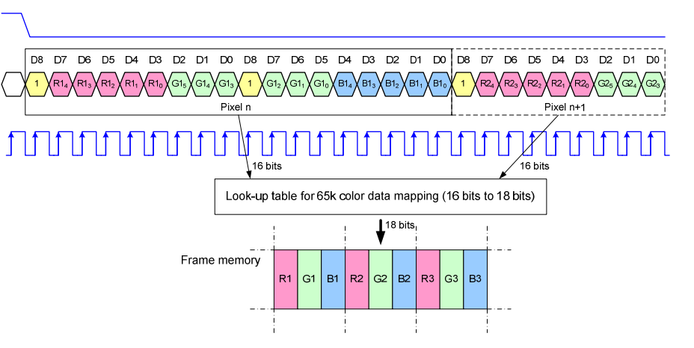
3线-RGB565 option1 | o_vout_mcu_csx
 | o_vout_mcu_sda_dout
 | o_vout_mcu_scl

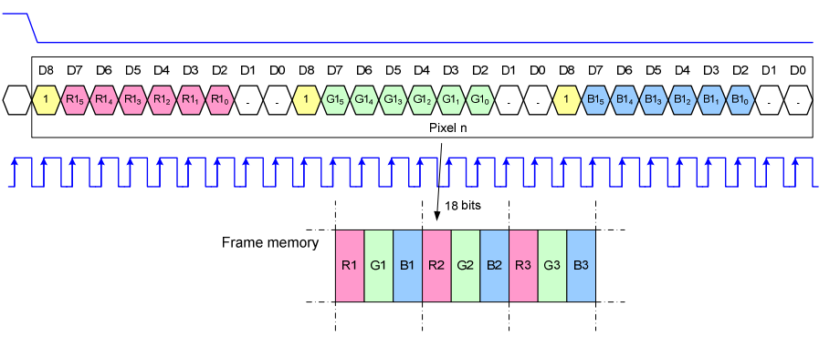
3线-RGB666 option2 | o_vout_mcu_csx
 | o_vout_mcu_sda_dout
 | o_vout_mcu_scl

3线-RGB565 option2 | o_vout_mcu_csx |  | 0
 | o_vout_mcu_sda_dout |  | {7’bx,1,R4~R0,G5~G3,7’bx,DCX,G2~G0,B4~B0}
 | o_vout_mcu_scl |  | ⬆

3线-RGB666 option2 | o_vout_mcu_csx |  | 0
 | o_vout_mcu_sda_dout |  | {7’bx,1,R5~R0,2’bx,7’bx,1,G5~G0,2’bx,7’bx,1,B5~B0,2’bx}
 | o_vout_mcu_scl |  | ⬆
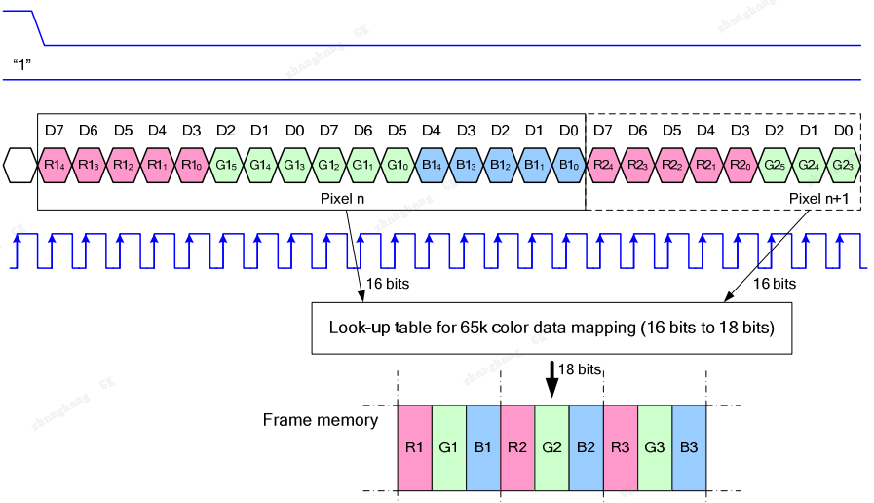
4线-RGB565 | o_vout_mcu_csx
 | o_vout_mcu_dcx
 | o_vout_mcu_sda_dout
 | o_vout_mcu_scl

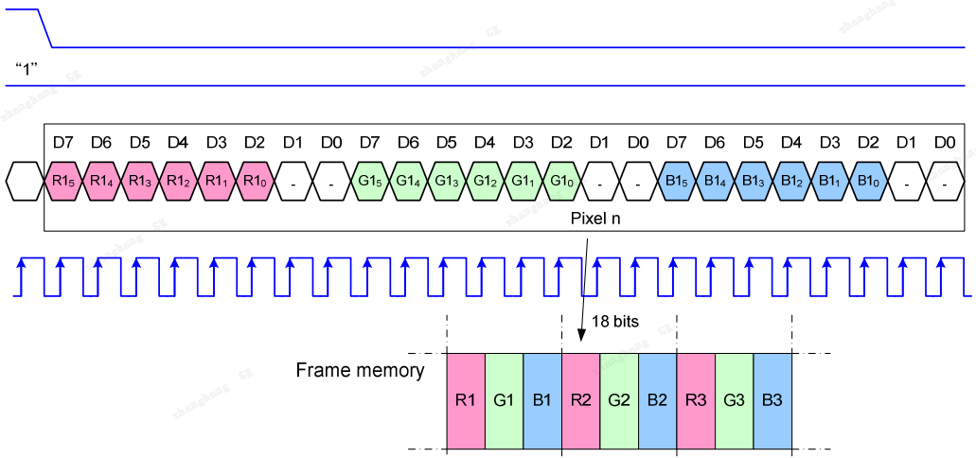
4线-RGB666 | o_vout_mcu_csx
 | o_vout_mcu_dcx
 | o_vout_mcu_sda_dout
 | o_vout_mcu_scl

